Sheet1
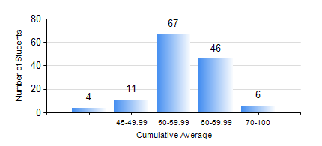
 |  |  | KWAME NKRUMAH UNIVERSITY OF SCIENCE AND TECHNOLOGY, KUMASI Department of Geological Engineering

 |  |  | BSC. GEOLOGICAL ENG.

 |  |  | COMPREHENSIVE RECORD OF EXAMINATION RESULTS

 |  |  | RESULTS OF YEAR 3 FIRST SEMESTER, 2018/2019 ACADEMIC YEAR

 | Sn | Course Code |  | Course Name | Credit Hours | Min. Mark | Max. Mark | Avg. Mark | Std. Dev. | No. Passed | No. Trailed | No. (Df) | No. (I) | No. (I*) | No. Tagged(I,I*,Df) | Total
 | 0. |  |  |  |  |  |  | 0 | 0 | 0 | 0 | 0 | 0 | 0 | 0 | 6
 | 1. | CE 359 |  | SOIL MECHANICS | 3 | 28 | 92 | 51 | 14.71 | 104 | 24 | 0 | 0 | 0 | 0 | 128
 | 2. | GED 351 |  | PETROLOGY | 3 | 42 | 87 | 68 | 10.3 | 128 | 0 | 0 | 0 | 0 | 0 | 128
 | 3. | GED 357 |  | BASIC HYDROLOGY | 2 | 23 | 90 | 57 | 14.41 | 117 | 11 | 0 | 0 | 0 | 0 | 128
 | 4. | GED 365 |  | GEOLOGICAL FIELD MAPPPING | 3 | 52 | 77 | 63 | 5.93 | 126 | 0 | 2 | 0 | 0 | 2 | 128
 | 5. | GED 369 |  | PHOTOGEOLOGY AND REMOTE SENSING | 3 | 26 | 87 | 54 | 10.33 | 124 | 4 | 0 | 0 | 0 | 0 | 128
 | 6. | GED 375 |  | PRINCIPLES OF ENGINEERING GEOLOGY | 2 | 23 | 83 | 61 | 10.45 | 125 | 3 | 0 | 0 | 0 | 0 | 128
 | 7. | MATH 351 |  | NUMERICAL ANALYSIS | 2 | 26 | 83 | 54 | 10.36 | 125 | 3 | 0 | 0 | 0 | 0 | 128
 | 8. | MATH 353 |  | PROBABILTY AND STATISTICS | 2 | 20 | 79 | 58 | 10.33 | 126 | 2 | 0 | 0 | 0 | 0 | 128

